New analyses
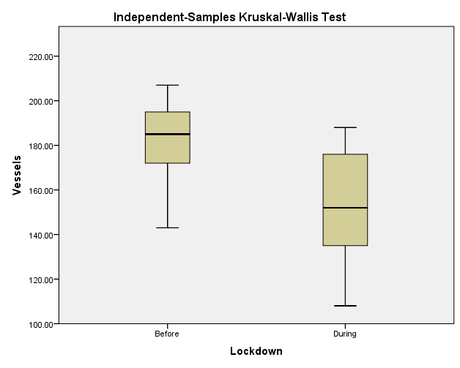
[Response 1] Change in marine traffic during Covid lockdown, versus the same period pre-lockdown
Model m1
Averaged weekly marine vessel traffic, focusing on 2020 only (January-July) (pre-Covid: 05.01.2020-21.03.2020; During Covid: 22.03.2020-25.07.2020)

Call:
glm(formula = Vessels ~ Lockdown, family = stats::quasipoisson,
data = Thames_New)

Deviance Residuals:
Min 1Q Median 3Q Max
-3.9275 -0.8638 -0.1704 1.2721 2.6380

Coefficients:
 | Estimate | Std.Error | t-value | Pr(>|t|) | Sig. |  | % Change pre vs. during lockdown
(Intercept) | 5.207 | 0.03718 | 140.043 | < 2e-16 | *** |  | -0.0074229818728
LockdownDuring | -0.16933 | 0.04882 | -3.469 | 0.00177 | **
---
Signif. codes: 0 ‘***’ 0.001 ‘**’ 0.01 ‘*’ 0.05 ‘.’ 0.1 ‘ ’ 1
 |  |  |  |  |  |  |  | Independent-Samples Kruskal-Wallis Test Summary
(Dispersion parameter for quasipoisson family taken to be 2.775964) |  |  |  |  |  |  |  | Total N | 29
 |  |  |  |  |  |  |  | Test Statistic | 8.940a,b
Null deviance: 109.574 on 28 degrees of freedom |  |  |  |  |  |  |  | Degree Of Freedom | 1
Residual deviance: 76.515 on 27 degrees of freedom |  |  |  |  |  |  |  | Asymptotic Sig.(2-sided test) | 0.003
AIC: NA

Number of Fisher Scoring iterations: 4
[Response 2] Change in marine mammal observations in relation to marine traffic, during Covid lockdown, versus the same period pre-lockdown
Model m2

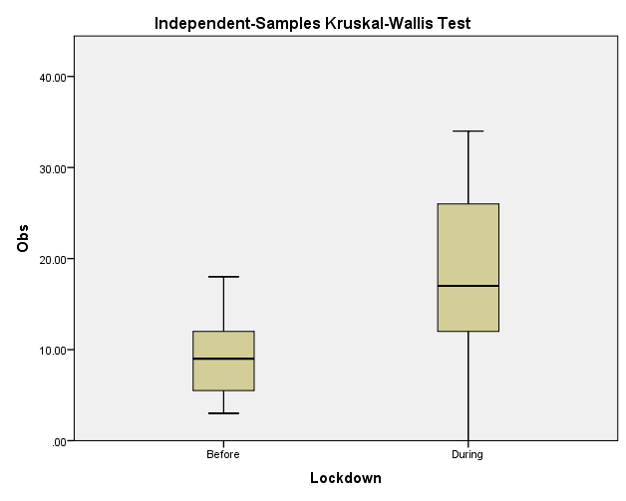
Averaged weekly marine mammal sightings focusing on 2020 only (January-July) in relation to marine traffic before and during Covid-19 (pre-Covid: 05.01.2020-21.03.2020; During Covid: 22.03.2020-25.07.2020)

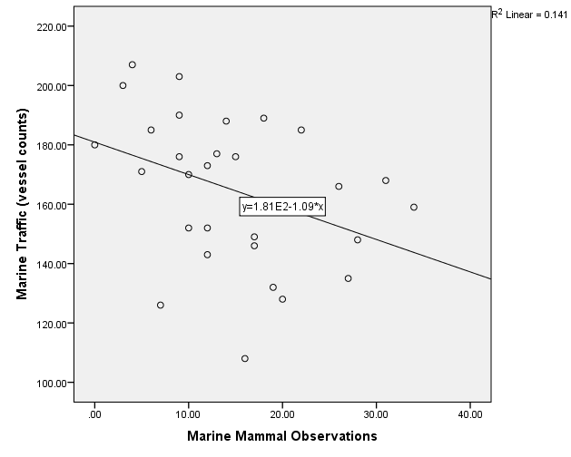
Call:
glm(formula = Obs ~ Vessels + Lockdown, family = stats::quasipoisson,
data = Thames_New)

Deviance Residuals:
Min 1Q Median 3Q Max
-5.7673 -1.5227 -0.0416 1.1363 3.4330

Coefficients:
 | Estimate | Std.Error | t-value | Pr(>|t|) | Sig. | % Change pre vs. during lockdown
(Intercept) | 2.758463 | 0.827225 | 3.335 | 0.00258 | ** | 1.000000043
Vessels | -0.002973 | 0.00443 | -0.671 | 0.50813
LockdownDuring | 0.587865 | 0.255006 | 2.305 | 0.02939 | *
---
Signif. codes: 0 ‘***’ 0.001 ‘**’ 0.01 ‘*’ 0.05 ‘.’ 0.1 ‘ ’ 1

(Dispersion parameter for quasipoisson family taken to be 3.741137)

Null deviance: 151.79 on 28 degrees of freedom
Residual deviance: 111.35 on 26 degrees of freedom |  |  |  |  |  |  |  |  |  | Independent-Samples Kruskal-Wallis Test Summary
AIC: NA |  |  |  |  |  |  |  |  |  | Total N | 29
 |  |  |  |  |  |  |  |  |  | Test Statistic | 7.911a,b
Number of Fisher Scoring iterations: 5 |  |  |  |  |  |  |  |  |  | Degree Of Freedom | 1
 |  |  |  |  |  |  |  |  |  | Asymptotic Sig.(2-sided test) | 0.005
Observation effort
 | Total N of Observers | Public Observers | Vessel Pilots
Jan-20 | 37 | 31 | 6
Feb-20 | 38 | 35 | 3
Mar-20 | 18 | 16 | 2
Apr-20 | 57 | 47 | 10
May-20 | 104 | 98 | 6
Jun-20 | 63 | 56 | 7
Jul-20 | 77 | 74 | 3

Marine Mammal Observations aggregated by month, for the last 6 years |  |  |  |  |  | Marine Mammal Observations across across different phases Covid19 lockdown
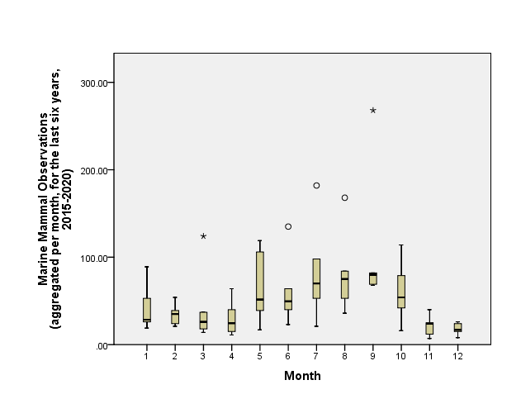

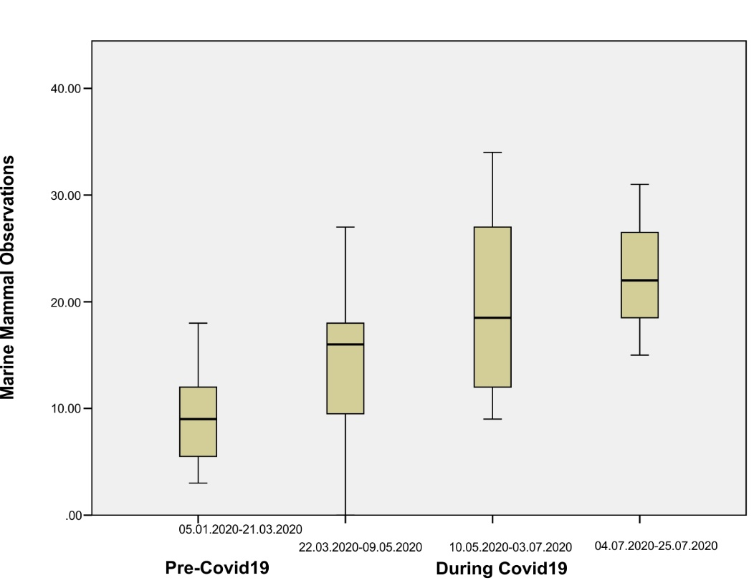

No sig. differences between different months (adj. significance values for Kruskal-Wallis pairwise comparisons)

